Sheet1
id | Count | Total Color Count Gene | Color Nodes Gene | Num Edges Neighboring Black Gene | Uncolored Neighbor Count Gene | Node Degree Gene
0 | AVERAGE | 0.70717829211 | 0.90075645596 | 0.24303359007 | 0.68228896473 | 0.7081268598 | 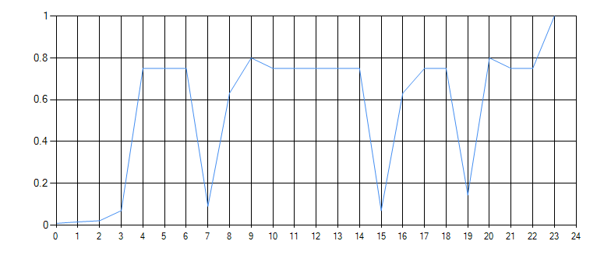 | 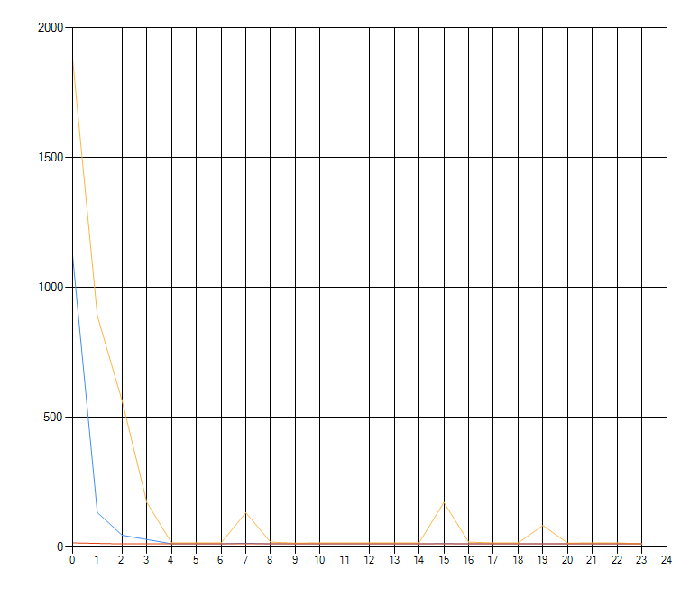
1 | 12 | 0.472 | 0.697 | 0.199 | 0.956 | 1
2 | 12 | 0.866 | 1 | 0.224 | 0.567 | 0.556
3 | 12 | 0.325 | 1 | 0.167 | 0.55 | 0.355
4 | 12 | 1 | 0.914 | 0.298 | 0.574 | 0.947
5 | 12 | 1 | 0.853 | 0.225 | 0.483 | 0.27
6 | 12 | 1 | 0.918 | 0.222 | 0.822 | 0.498
7 | 12 | 0.448 | 1 | 0.295 | 0.675 | 0.68
8 | 12 | 0.759 | 0.965 | 0.167 | 0.792 | 1
9 | 12 | 0.947 | 1 | 0.313 | 0.77 | 0.971
10 | 12 | 0.565 | 1 | 0.214 | 0.511 | 0.64
11 | 12 | 0.403 | 0.642 | 0.109 | 0.343 | 1
12 | 12 | 0.642 | 1 | 0.215 | 0.882 | 0.43
13 | 12 | 0.587 | 1 | 0.283 | 0.852 | 0.61
14 | 12 | 0.837 | 1 | 0.248 | 0.611 | 0.605
15 | 12 | 0.574 | 0.872 | 0.346 | 0.971 | 1
16 | 12 | 0.642 | 1 | 0.359 | 0.538 | 0.657
17 | 12 | 0.508 | 1 | 0.241 | 0.546 | 0.495 | 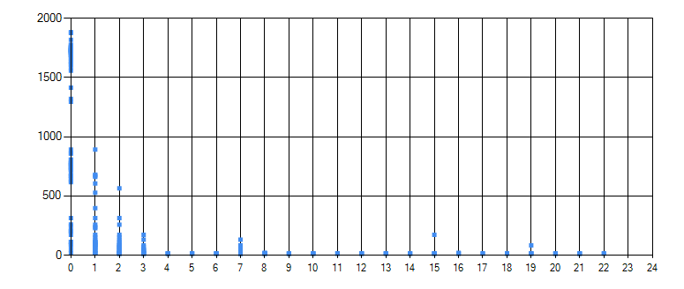
18 | 12 | 0.342 | 1 | 0.189 | 0.55 | 0.355
19 | 12 | 0.74 | 0.676 | 0.255 | 0.491 | 1
20 | 12 | 0.567 | 1 | 0.289 | 0.566 | 0.341
21 | 12 | 0.616 | 1 | 0.242 | 0.736 | 0.542
22 | 12 | 0.688 | 1 | 0.295 | 0.628 | 0.68
23 | 12 | 0.536 | 0.954 | 0.199 | 1 | 0.938
24 | 12 | 0.661 | 1 | 0.265 | 0.74 | 0.822
25 | 12 | 0.595 | 1 | 0.214 | 0.631 | 0.638
26 | 12 | 0.317 | 0.603 | 0.109 | 0.337 | 1
27 | 12 | 0.668 | 1 | 0.211 | 0.684 | 0.467
28 | 12 | 0.452 | 1 | 0.271 | 0.852 | 0.61
29 | 12 | 0.66 | 1 | 0.252 | 0.679 | 0.613
30 | 12 | 0.755 | 0.872 | 0.279 | 0.971 | 1
31 | 12 | 0.924 | 1 | 0.408 | 0.764 | 0.933
32 | 12 | 0.561 | 1 | 0.167 | 0.666 | 0.355
33 | 12 | 1 | 0.643 | 0.21 | 0.404 | 0.666
34 | 12 | 0.93 | 1 | 0.289 | 0.566 | 0.341 |  | 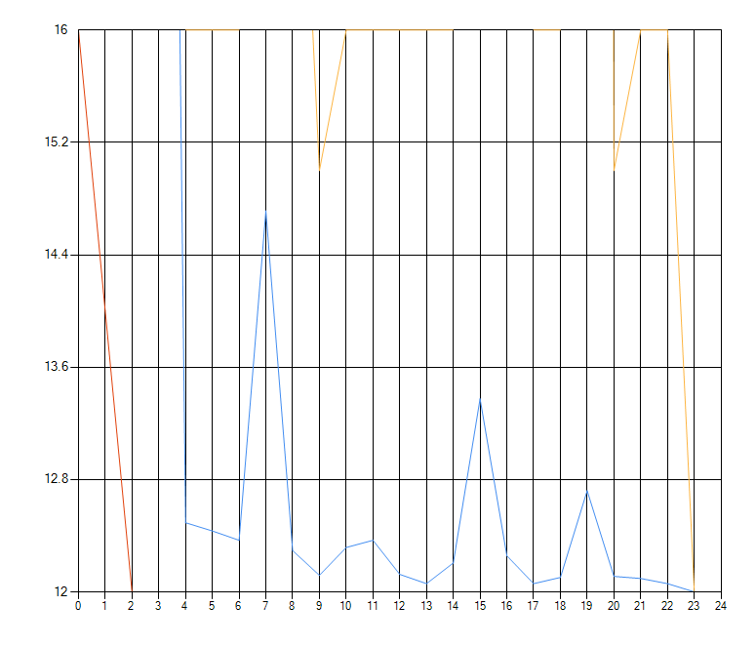
35 | 12 | 0.814 | 1 | 0.195 | 0.593 | 0.436 | 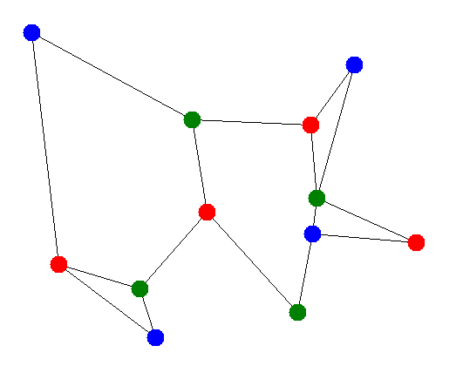
36 | 12 | 1 | 0.886 | 0.222 | 0.598 | 0.704
37 | 12 | 0.711 | 0.77 | 0.161 | 1 | 0.757
38 | 12 | 1 | 0.78 | 0.207 | 0.601 | 0.688
39 | 12 | 1 | 0.977 | 0.255 | 0.499 | 0.623
40 | 12 | 0.425 | 0.502 | 0.109 | 0.343 | 1
41 | 12 | 1 | 0.94 | 0.192 | 0.726 | 0.376
42 | 12 | 0.741 | 1 | 0.283 | 0.852 | 0.61
43 | 12 | 1 | 0.835 | 0.232 | 0.522 | 0.566
44 | 12 | 1 | 0.704 | 0.169 | 0.783 | 0.807
45 | 12 | 1 | 0.751 | 0.304 | 0.475 | 0.601
46 | 12 | 0.804 | 0.894 | 0.292 | 0.561 | 1
47 | 12 | 0.508 | 1 | 0.234 | 0.566 | 0.337
48 | 12 | 0.585 | 1 | 0.2 | 0.841 | 0.542
49 | 12 | 0.565 | 1 | 0.255 | 0.584 | 0.588
50 | 12 | 0.458 | 1 | 0.179 | 0.9 | 0.844
51 | 12 | 0.792 | 0.88 | 0.275 | 0.677 | 1
52 | 12 | 0.44 | 1 | 0.209 | 0.461 | 0.575
53 | 12 | 0.209 | 0.514 | 0.093 | 0.292 | 1
54 | 12 | 0.616 | 1 | 0.205 | 0.773 | 0.362
55 | 12 | 0.412 | 1 | 0.222 | 0.871 | 0.487
56 | 12 | 0.693 | 1 | 0.278 | 0.625 | 0.678
57 | 12 | 0.717 | 0.939 | 0.329 | 0.971 | 1 | 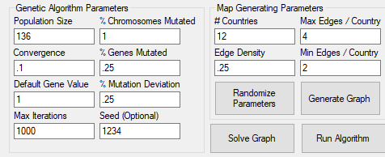
58 | 12 | 0.495 | 1 | 0.285 | 0.532 | 0.738
59 | 12 | 0.607 | 1 | 0.321 | 0.629 | 0.379
60 | 12 | 0.544 | 1 | 0.242 | 0.736 | 0.542
61 | 12 | 0.664 | 1 | 0.295 | 0.675 | 0.68
62 | 12 | 0.444 | 0.699 | 0.17 | 0.857 | 1
63 | 12 | 0.753 | 1 | 0.313 | 0.77 | 0.971
64 | 12 | 0.574 | 1 | 0.214 | 0.511 | 0.69
65 | 12 | 0.253 | 0.603 | 0.109 | 0.343 | 1
66 | 12 | 0.427 | 1 | 0.168 | 0.635 | 0.333
67 | 12 | 0.436 | 1 | 0.283 | 0.852 | 0.618
68 | 12 | 0.562 | 1 | 0.205 | 0.597 | 0.647
69 | 12 | 0.711 | 1 | 0.272 | 0.947 | 0.976
70 | 12 | 0.654 | 1 | 0.351 | 0.656 | 0.8
71 | 12 | 1 | 0.913 | 0.221 | 0.839 | 0.513
72 | 12 | 1 | 0.8 | 0.271 | 0.462 | 0.544
73 | 12 | 0.954 | 0.834 | 0.199 | 1 | 0.938
74 | 12 | 1 | 0.72 | 0.225 | 0.555 | 0.696
75 | 12 | 1 | 0.945 | 0.202 | 0.483 | 0.463
76 | 12 | 0.46 | 0.603 | 0.116 | 0.343 | 1
77 | 12 | 1 | 0.758 | 0.177 | 0.67 | 0.393
78 | 12 | 0.843 | 0.969 | 0.299 | 1 | 0.762
79 | 12 | 1 | 0.702 | 0.193 | 0.439 | 0.39
80 | 12 | 1 | 0.654 | 0.17 | 0.728 | 0.89
81 | 12 | 1 | 0.693 | 0.243 | 0.454 | 0.554
82 | 12 | 1 | 0.753 | 0.222 | 0.508 | 0.512
83 | 12 | 1 | 0.921 | 0.192 | 0.965 | 0.906
84 | 12 | 1 | 0.663 | 0.223 | 0.6 | 0.645
85 | 12 | 1 | 0.974 | 0.172 | 0.374 | 0.514
86 | 12 | 0.594 | 0.603 | 0.109 | 0.343 | 1
87 | 12 | 1 | 0.836 | 0.171 | 0.646 | 0.379
88 | 12 | 0.819 | 0.939 | 0.266 | 1 | 0.573
89 | 12 | 1 | 0.707 | 0.197 | 0.442 | 0.48
90 | 12 | 1 | 0.598 | 0.191 | 0.666 | 0.686
91 | 12 | 1 | 0.85 | 0.298 | 0.557 | 0.681
92 | 12 | 0.349 | 0.954 | 0.199 | 1 | 0.938
93 | 12 | 0.508 | 1 | 0.313 | 0.958 | 0.971
94 | 12 | 0.388 | 1 | 0.214 | 0.511 | 0.649
95 | 12 | 0.169 | 0.603 | 0.111 | 0.343 | 1
96 | 12 | 0.371 | 1 | 0.177 | 0.773 | 0.453
97 | 12 | 0.294 | 1 | 0.283 | 0.852 | 0.61
98 | 12 | 0.575 | 1 | 0.336 | 0.875 | 0.674
99 | 12 | 0.492 | 0.829 | 0.279 | 0.971 | 1
100 | 12 | 0.543 | 1 | 0.413 | 0.773 | 0.944
101 | 12 | 0.947 | 1 | 0.313 | 0.77 | 0.971
102 | 12 | 0.722 | 1 | 0.214 | 0.511 | 0.638
103 | 12 | 0.314 | 0.603 | 0.128 | 0.405 | 1
104 | 12 | 0.786 | 1 | 0.242 | 0.773 | 0.532
105 | 12 | 0.548 | 1 | 0.283 | 0.684 | 0.757
106 | 12 | 0.885 | 1 | 0.278 | 0.75 | 0.678
107 | 12 | 0.749 | 0.899 | 0.287 | 1 | 0.955
108 | 12 | 0.984 | 1 | 0.351 | 0.797 | 0.8
109 | 12 | 0.574 | 1 | 0.252 | 0.564 | 0.638
110 | 12 | 0.285 | 0.603 | 0.109 | 0.343 | 1
111 | 12 | 0.909 | 1 | 0.316 | 0.984 | 0.609
112 | 12 | 0.477 | 1 | 0.243 | 0.978 | 0.726
113 | 12 | 0.804 | 1 | 0.278 | 0.625 | 0.678
114 | 12 | 0.832 | 0.872 | 0.279 | 0.971 | 1
115 | 12 | 0.896 | 1 | 0.351 | 0.656 | 0.911
116 | 12 | 0.246 | 0.646 | 0.119 | 0.343 | 1
117 | 12 | 0.615 | 1 | 0.23 | 0.773 | 0.349
118 | 12 | 0.429 | 1 | 0.296 | 0.852 | 0.61
119 | 12 | 0.549 | 1 | 0.22 | 0.625 | 0.678
120 | 12 | 0.717 | 0.872 | 0.279 | 0.971 | 1
121 | 12 | 0.875 | 1 | 0.458 | 0.789 | 0.909
122 | 12 | 1 | 0.99 | 0.203 | 0.782 | 0.449
123 | 12 | 0.588 | 1 | 0.283 | 0.852 | 0.61
124 | 12 | 1 | 0.88 | 0.235 | 0.55 | 0.589
125 | 12 | 0.987 | 0.732 | 0.234 | 0.814 | 1
126 | 12 | 1 | 0.799 | 0.277 | 0.518 | 0.576
127 | 12 | 0.428 | 1 | 0.283 | 0.852 | 0.506
128 | 12 | 0.667 | 1 | 0.268 | 0.602 | 0.653
129 | 12 | 0.716 | 0.872 | 0.279 | 0.971 | 1
130 | 12 | 0.77 | 1 | 0.349 | 0.696 | 0.8
131 | 12 | 0.948 | 1 | 0.278 | 0.625 | 0.79
132 | 12 | 0.752 | 0.822 | 0.263 | 1 | 0.942
133 | 12 | 1 | 0.948 | 0.411 | 0.521 | 0.759
134 | 12 | 1 | 0.901 | 0.201 | 0.863 | 0.889
135 | 12 | 1 | 0.958 | 0.336 | 0.628 | 0.767
136 | 12 | 0.618 | 1 | 0.351 | 0.656 | 0.8

